Sheet
Bone Predictor |  |  | 2021-11-10 14:18:46

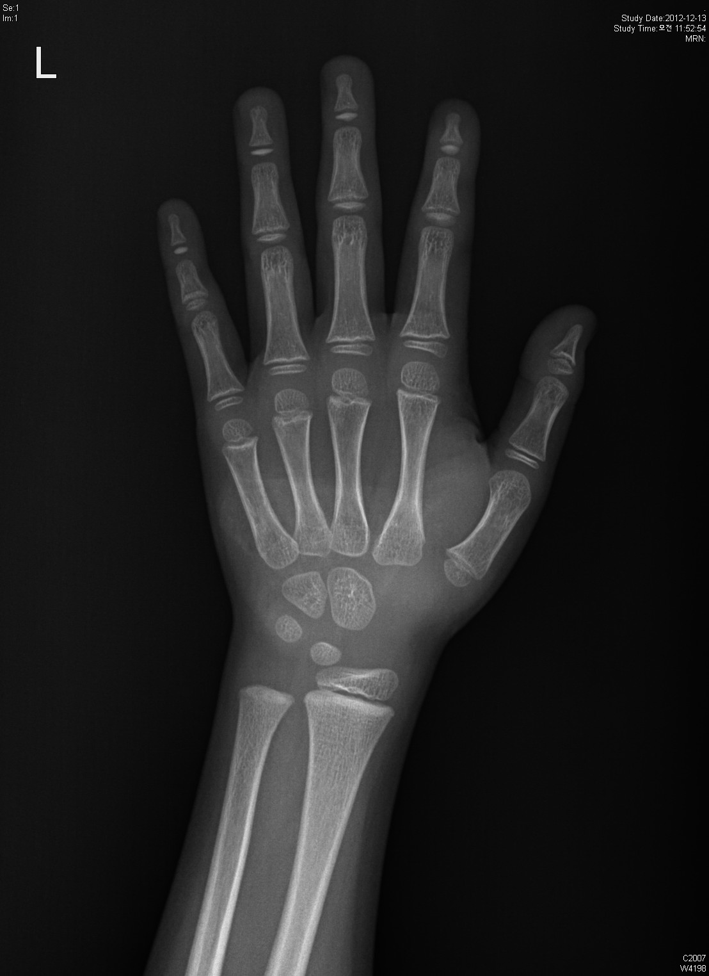
Information

Name : | 김광훈

Gender : | Male

Age : | 9

Height : | 140

Diagnosis Bone Age

Bone Age : | 8.2

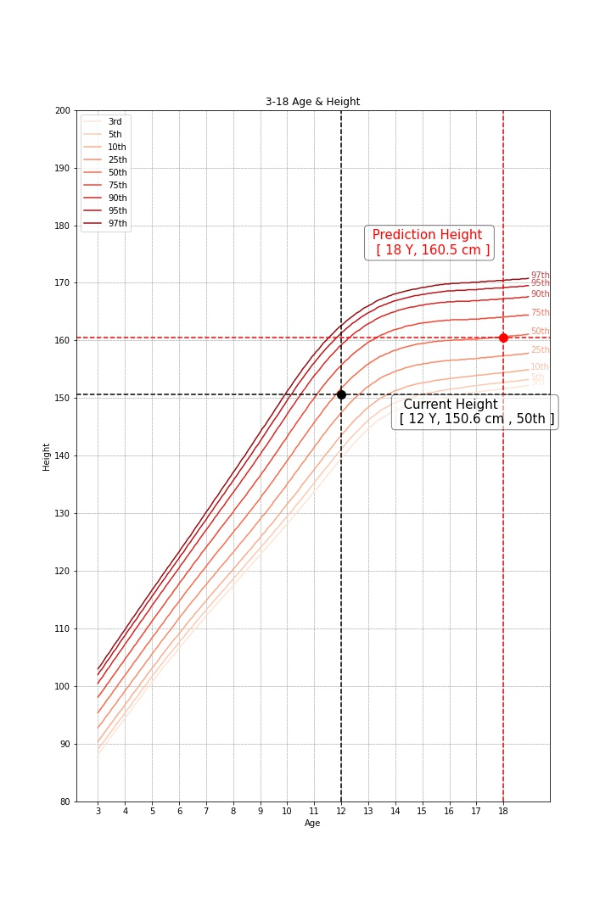

Predicted Height Growth

Current height percentile : |  | 75th

Predicted Height Growth : |  | 174
(based on 18 years old)

